ATMEGA3209
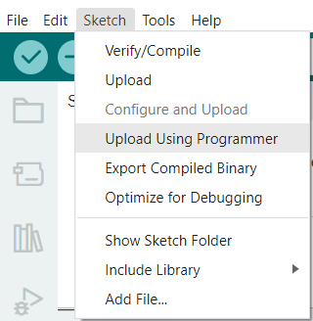
1 | UPDI | 2 | VCC
3 | NC | 4 | NC
5 | RESET | 6 | GND

connector to AVR

Burning via Arduino IDE.

